Split Validation
SPLIT VALIDATION TESTS
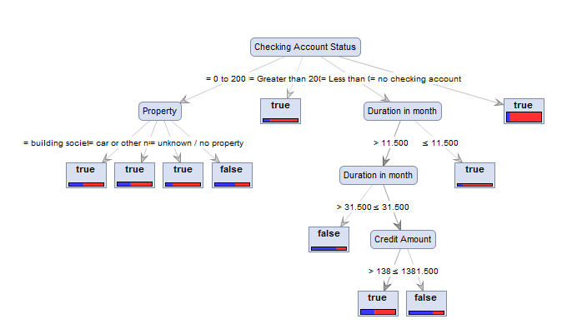

DT tests | SPLIT | Sampling Type | Criterion
Test 1 | 0.7 vs 0.3 | Stratified Sampling | gini_index

CONFUSION MATRIX
Accuracy: 71.77%
 | true false | true true | class precision
pred. false | 34 | 29 | 53.97%
pred. true | 56 | 181 | 76.37%
class recall | 37.78% | 86.19%

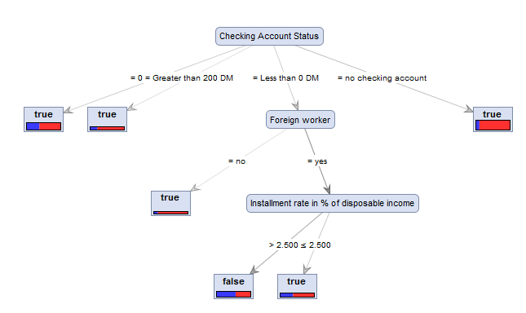
DT tests | SPLIT | Sampling Type | Criterion
Test 2 | 0.7 vs 0.3 | Stratified Sampling | gain_ratio

CONFUSION MATRIX
Accuracy: 69.33%
 | true false | true true | class precision
pred. false | 2 | 4 | 33.33%
pred. true | 88 | 206 | 70.07%
class recall | 2.22% | 98.10%

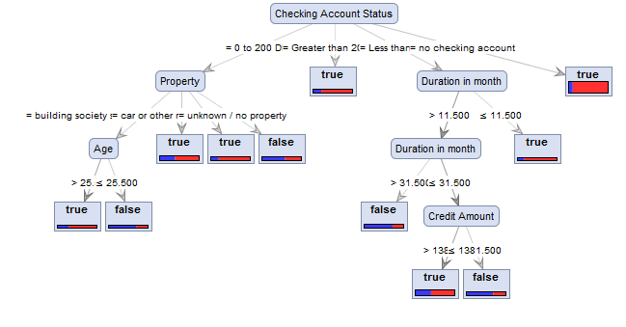
DT tests | SPLIT | Sampling Type | Criterion
Test 3 | 0.7 vs 0.3 | Stratified Sampling | information_gain

CONFUSION MATRIX
Accuracy: 71.33%
 | true false | true true | class precision
pred. false | 32 | 28 | 53.33%
pred. true | 58 | 182 | 75.83%
class recall | 35.56% | 86.67%

DT tests | SPLIT | Sampling Type | Criterion
Test 4 | 0.7 vs 0.3 | Stratified Sampling | accuracy

CONFUSION MATRIX
Accuracy: 74.33%
 | true false | true true | class precision
pred. false | 25 | 12 | 67.57%
pred. true | 65 | 198 | 75.29%
class recall | 27.78% | 94.29%

DT tests | SPLIT | Sampling Type | Criterion
Test 5 | 0.7 vs 0.3 | Shuffled Sampling | accuracy

CONFUSION MATRIX
Accuracy: 68.67%
 | true false | true true | class precision
pred. false | 24 | 25 | 48.98%
pred. true | 69 | 182 | 72.51%
class recall | 25.81% | 87.92%

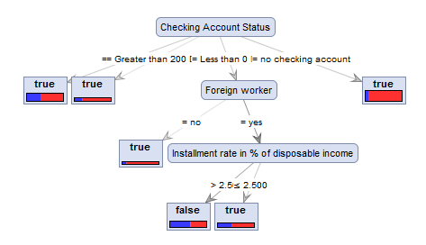
DT tests | SPLIT | Sampling Type | Criterion
Test 6 | 0.7 vs 0.3 | Shuffled Sampling | gain_ratio

CONFUSION MATRIX
Accuracy: 68%
 | true false | true true | class precision
pred. false | 39 | 42 | 48.15%
pred. true | 54 | 165 | 75.34%
class recall | 41.94% | 79.71%

DT tests | SPLIT | Sampling Type | Criterion
Test 7 | 0.7 vs 0.3 | Shuffled Sampling | information_gain
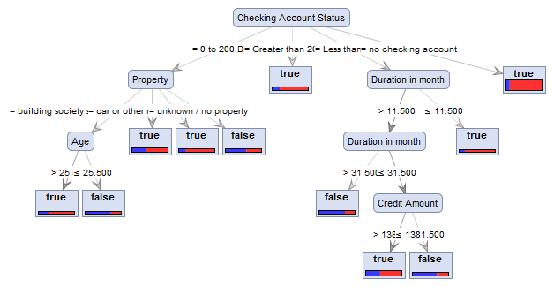
CONFUSION MATRIX
Accuracy: 69.33%
 | true false | true true | class precision
pred. false | 37 | 36 | 50.68%
pred. true | 56 | 171 | 75.33%
class recall | 39.78% | 82.61%

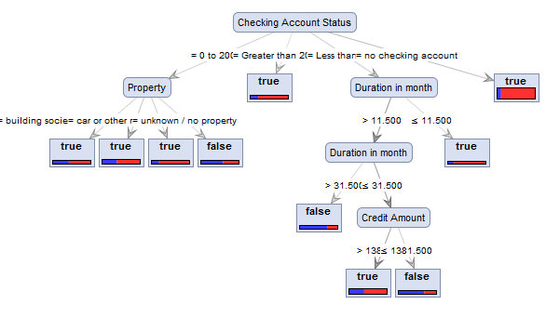
***
DT tests | SPLIT | Sampling Type | Criterion
Test 8 | 0.7 vs 0.3 | Shuffled Sampling | gini_index

CONFUSION MATRIX
Accuracy: 71.00%
 | true false | true true | class precision
pred. false | 58 | 52 | 52.73%
pred. true | 35 | 155 | 81.58%
class recall | 62.37% | 74.88%

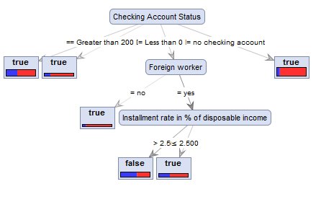
DT tests | SPLIT | Sampling Type | Criterion
Test 9 | 0.7 vs 0.3 | Linear | gini_index

CONFUSION MATRIX
Accuracy: 71.00%
 | true false | true true | class precision
pred. false | 32 | 26 | 55.17%
pred. true | 61 | 181 | 74.79%
class recall | 34.41% | 87.44%

DT tests | SPLIT | Sampling Type | Criterion
Test 10 | 0.7 vs 0.3 | Linear | accuracy

CONFUSION MATRIX
Accuracy: 71.67%
 | true false | true true | class precision
pred. false | 14 | 6 | 70.00%
pred. true | 79 | 201 | 71.79%
class recall | 15.05% | 97.10%
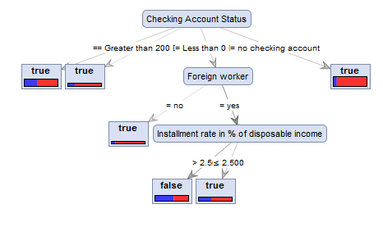

DT tests | SPLIT | Sampling Type | Criterion
Test 11 | 0.6 vs 0.4 | Shuffled Sampling | gain_ratio

CONFUSION MATRIX
Accuracy: 69.75%
 | true false | true true | class precision
pred. false | 0 | 0 | 0.00%
pred. true | 121 | 279 | 69.75%
class recall | 0.00% | 100.00%

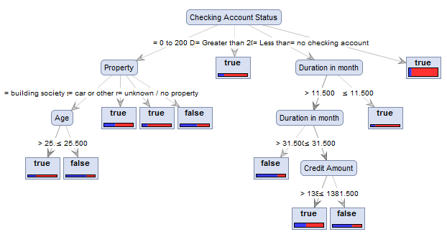
***
DT tests | SPLIT | Sampling Type | Criterion
Test 12 | 0.6 vs 0.4 | Shuffled Sampling | information_gan

CONFUSION MATRIX
Accuracy: 70.50%
 | true false | true true | class precision
pred. false | 51 | 48 | 51.52%
pred. true | 70 | 231 | 76.74%
class recall | 42.15% | 82.80%

DT tests | SPLIT | Sampling Type | Criterion
Test 13 | 0.6 vs 0.4 | Shuffled Sampling | accuracy

CONFUSION MATRIX
Accuracy: 70.75%
 | true false | true true | class precision
pred. false | 38 | 34 | 52.78%
pred. true | 83 | 245 | 74.70%
class recall | 31.40% | 87.81%

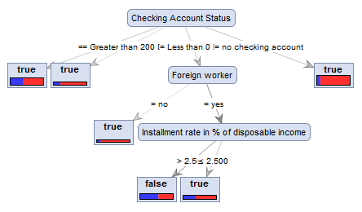
DT tests | SPLIT | Sampling Type | Criterion
Test 14 | 0.6 vs 0.4 | Stratified Sampling | gain_ratio

CONFUSION MATRIX
Accuracy: 70.00%
 | true false | true true | class precision
pred. false | 0 | 0 | 0.00%
pred. true | 120 | 280 | 70.00%
class recall | 0.00% | 100.00%

DT tests | SPLIT | Sampling Type | Criterion
Test 15 | 0.6 vs 0.4 | Stratified Sampling | accuracy

CONFUSION MATRIX
Accuracy: 74.00%
 | true false | true true | class precision
pred. false | 42 | 26 | 61.76%
pred. true | 78 | 254 | 76.51%
class recall | 35.00% | 90.71%

DT tests | SPLIT | Sampling Type | Criterion
Test 16 | 0.6 vs 0.4 | Automatic | accuracy

CONFUSION MATRIX
Accuracy: 74.00%
 | true false | true true | class precision
pred. false | 42 | 26 | 61.76%
pred. true | 78 | 254 | 76.51%
class recall | 35.00% | 90.71%

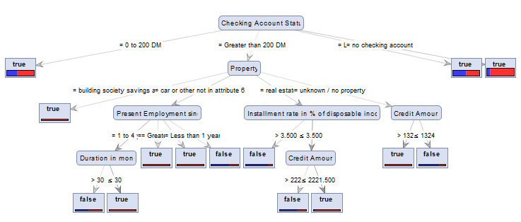
***
DT tests | SPLIT | Sampling Type | Criterion
Test 17 | 0.9 vs 0.1 | Shuffled | gini_index

CONFUSION MATRIX
Accuracy: 71.00%
 | true false | true true | class precision
pred. false | 15 | 9 | 62.50%
pred. true | 20 | 56 | 73.68%
class recall | 42.86% | 86.15%

Cross Validation
CROSS VALIDATION TESTS
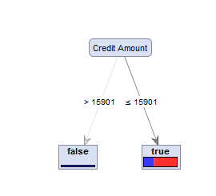
Test Number | Validation | Sampling Type | Criterion
Test 1 | 10 Cross | Stratified Sampling | gain_ratio

CONFUSION MATRIX
Accuracy: 69.90%, +/- 0.30%
 | true false | true true | class precision
pred. false | 1 | 2 | 33.33%
pred. true | 299 | 698 | 70.01%
class recall | 0.33% | 99.71%

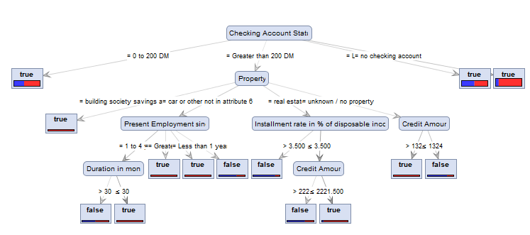
Test Number | Validation | Sampling Type | Criterion
Test 2 | 10 Cross | Stratified Sampling | gini_index

CONFUSION MATRIX
Accuracy: 68.80%, +/- 3.31%
 | true false | true true | class precision
pred. false | 68 | 80 | 45.95%
pred. true | 232 | 620 | 72.77%
class recall | 22.67% | 88.57%

Test Number | Validation | Sampling Type | Criterion
Test 3 | 10 Cross | Stratified Sampling | accuracy

CONFUSION MATRIX
Accuracy: 70.00%, +/- 0.00%
 | true false | true true | class precision
pred. false | 0 | 0 | 0.00%
pred. true | 300 | 700 | 70.00%
class recall | 0.00% | 100.00%
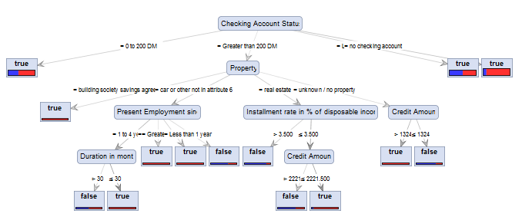
****
Test Number | Validation | Sampling Type | Criterion
Test 4 | 10 Cross | Shuffled Sampling | gini_index

CONFUSION MATRIX
Accuracy: 69.60%, +/- 4.61%
 | true false | true true | class precision
pred. false | 81 | 85 | 48.80%
pred. true | 219 | 615 | 73.74%
class recall | 27.00% | 87.86%

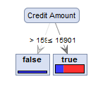
Test Number | Validation | Sampling Type | Criterion
Test 5 | 10 Cross | Shuffled Sampling | gain_ratio

CONFUSION MATRIX
Accuracy: 70.00%, +/- 4.96%
 | true false | true true | class precision
pred. false | 1 | 1 | 50.00%
pred. true | 299 | 699 | 70.04%
class recall | 0.33% | 99.86%

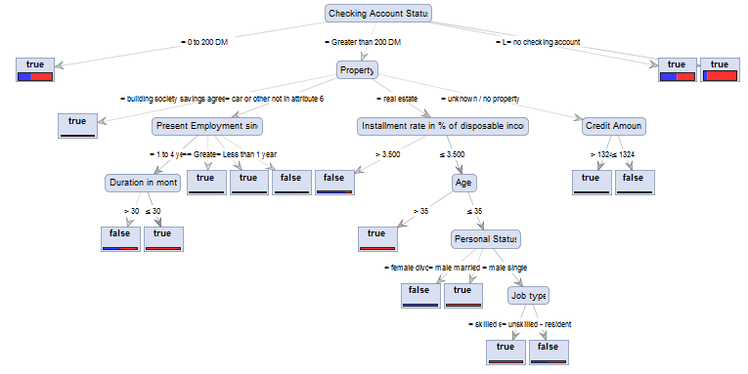
Test Number | Validation | Sampling Type | Criterion
Test 6 | 10 Cross | Shuffled Sampling | information_gain

CONFUSION MATRIX
Accuracy: 68.60%, +/- 4.15%
 | true false | true true | class precision
pred. false | 37 | 51 | 42.05%
pred. true | 263 | 649 | 71.16%
class recall | 12.33% | 92.71%

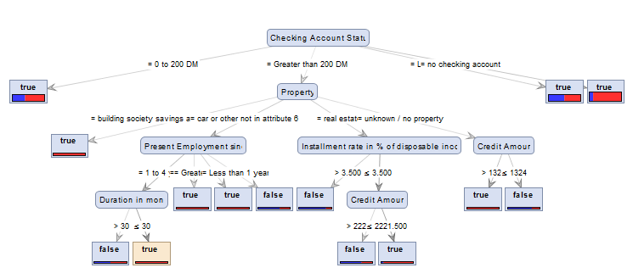
Test Number | Validation | Sampling Type | Criterion
Test 7 | 10 Cross | automatic | gini_index

CONFUSION MATRIX
Accuracy: 68.60%, +/- 3.31%
 | true false | true true | class precision
pred. false | 68 | 80 | 45.95%
pred. true | 232 | 620 | 72.77%
class recall | 22.67% | 88.57%

